Customer
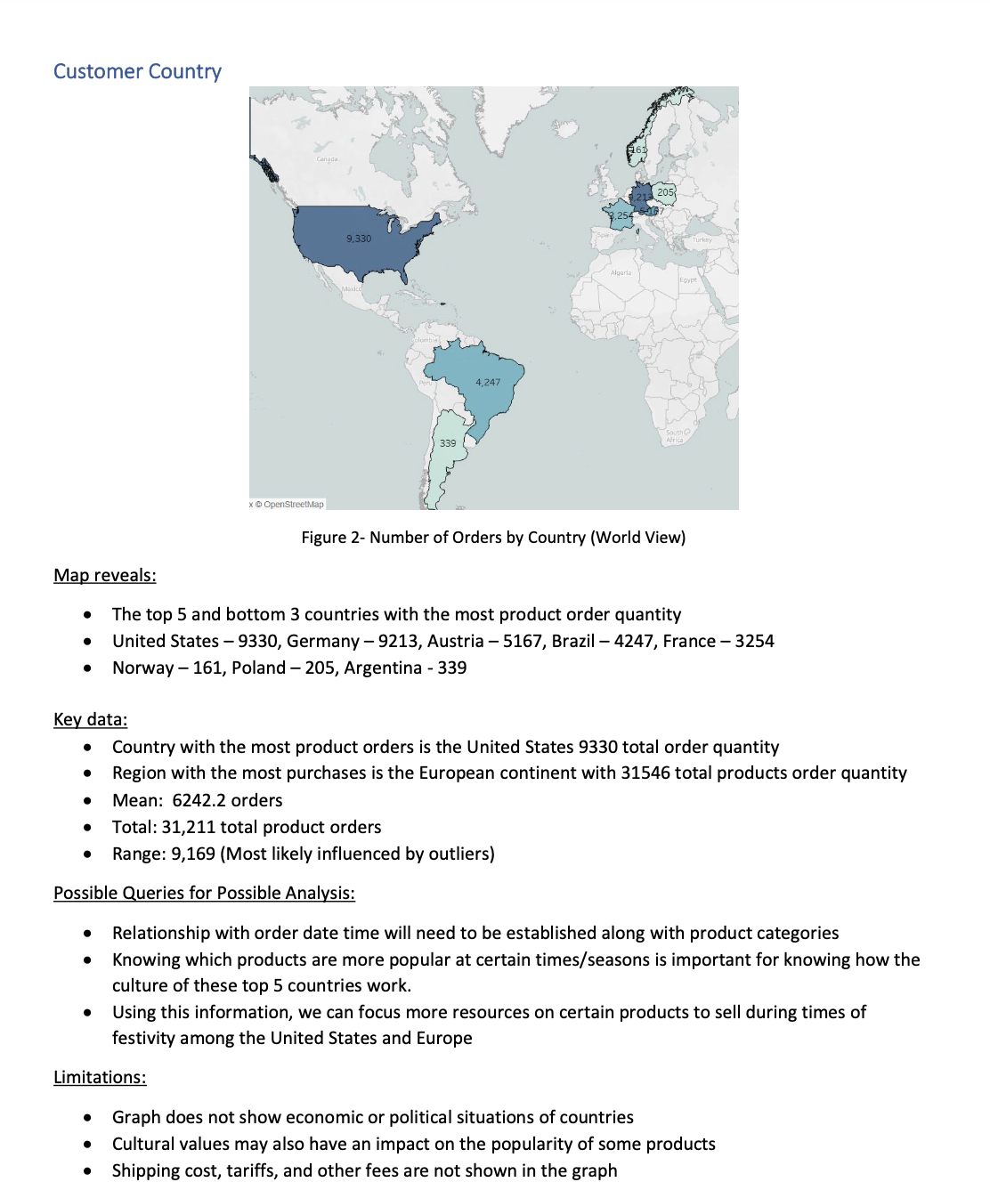
 |  |  |  | WE ARE GLOBAL
Sum of Order_Price_Total | Column Labels
Row Labels | 2022 | 2021 | Grand Total
Canada | 45104.9 | 116129.1 | 161234
Bottom-Dollar Markets | 43266.9 | 21921.7 | 65188.6
Laughing Bacchus Wine Cellars | 561 | 949 | 1510
Mère Paillarde | 1277 | 93258.4 | 94535.4
Grand Total | 45104.9 | 116129.1 | 161234

